Correlation_Heatmap
Map Before cleaning after cleaning is in ipynb file
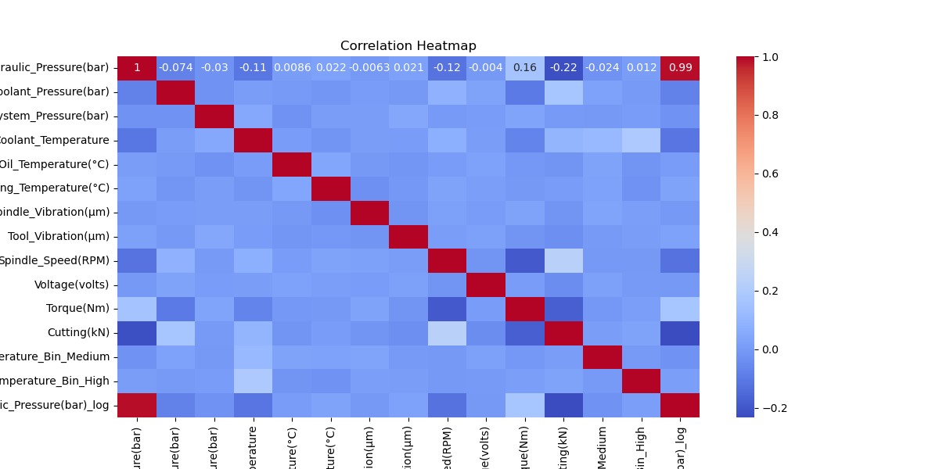

Map Before cleaning after cleaning is in ipynb file

Index_Plot
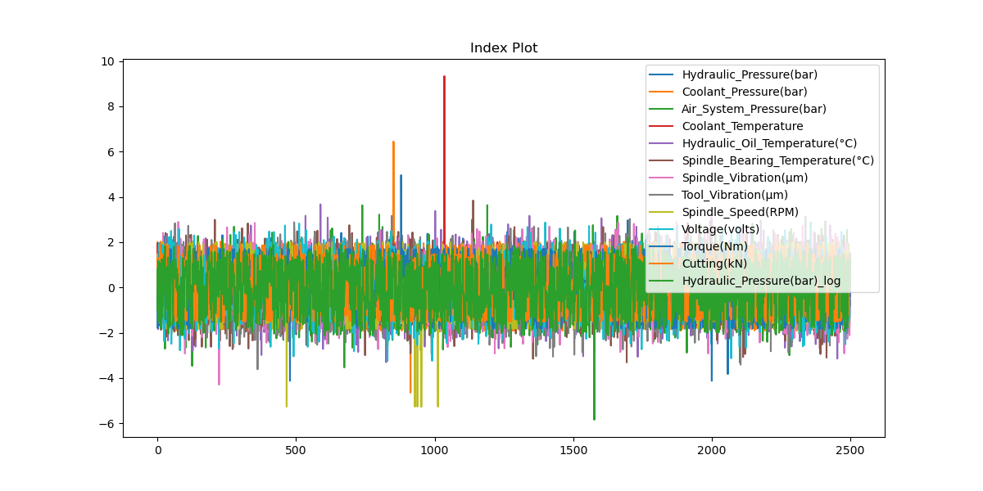
Map Before cleaning after cleaning is in ipynb file

Bar_Plot
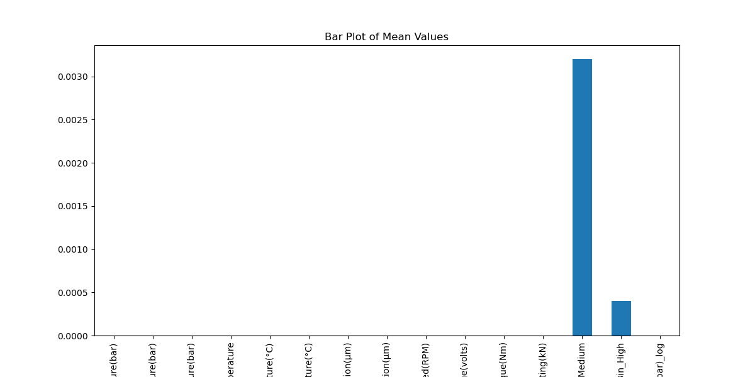
Map Before cleaning after cleaning is in ipynb file

Dot_Plot
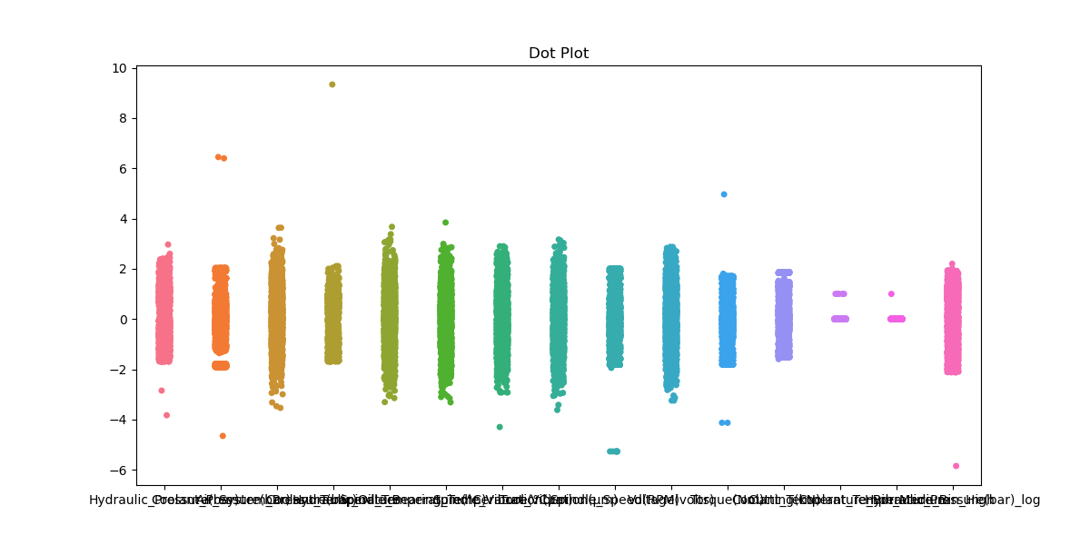
Map Before cleaning after cleaning is in ipynb file

Strip_Plot
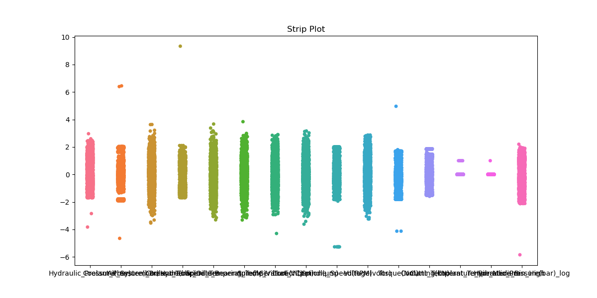
Map Before cleaning after cleaning is in ipynb file

Violin_Plot
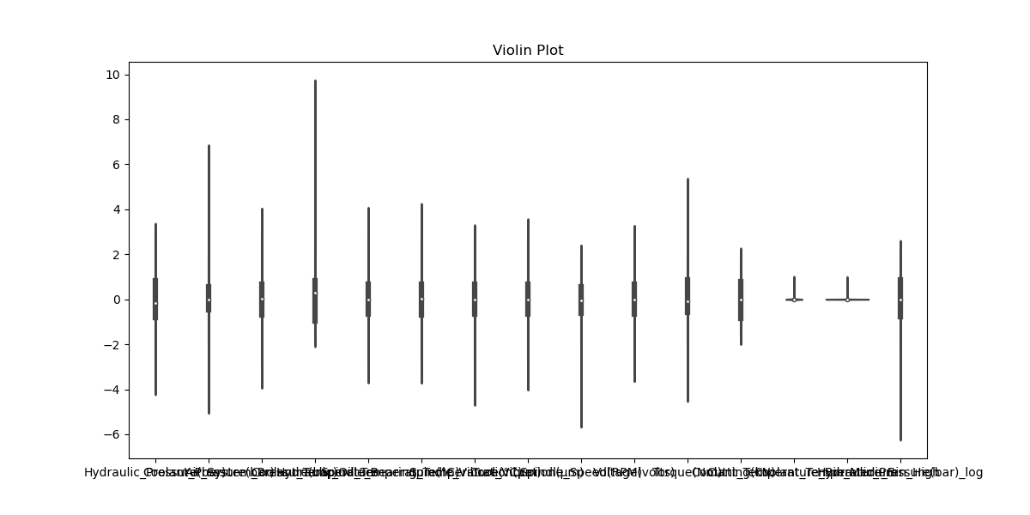
Map Before cleaning after cleaning is in ipynb file

Histogram
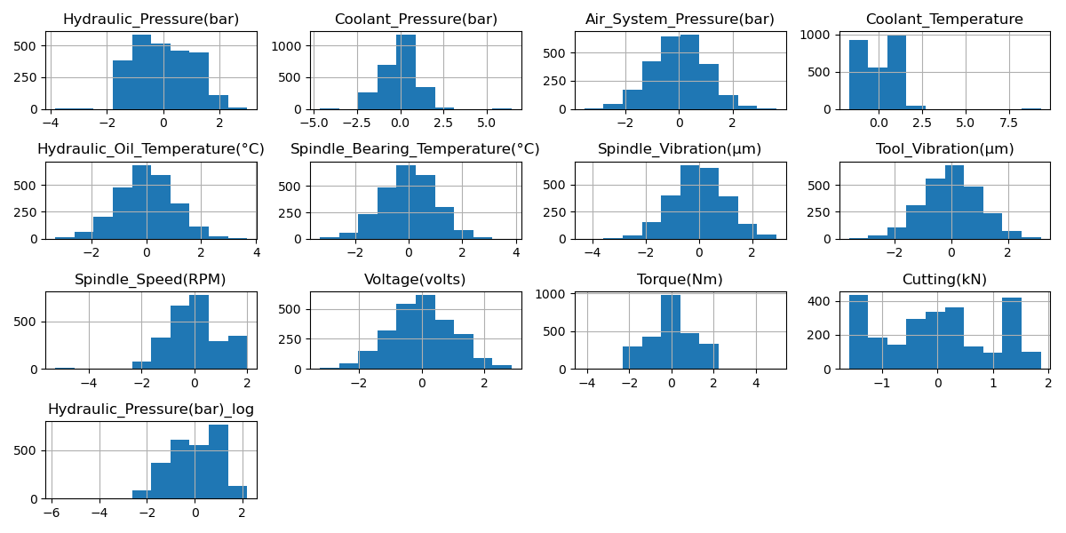
Map Before cleaning after cleaning is in ipynb file

Density_Plot
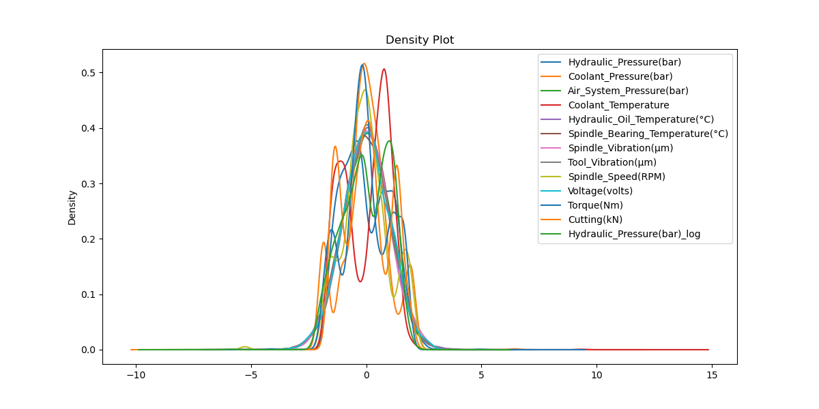
Map Before cleaning after cleaning is in ipynb file

Box_Plot
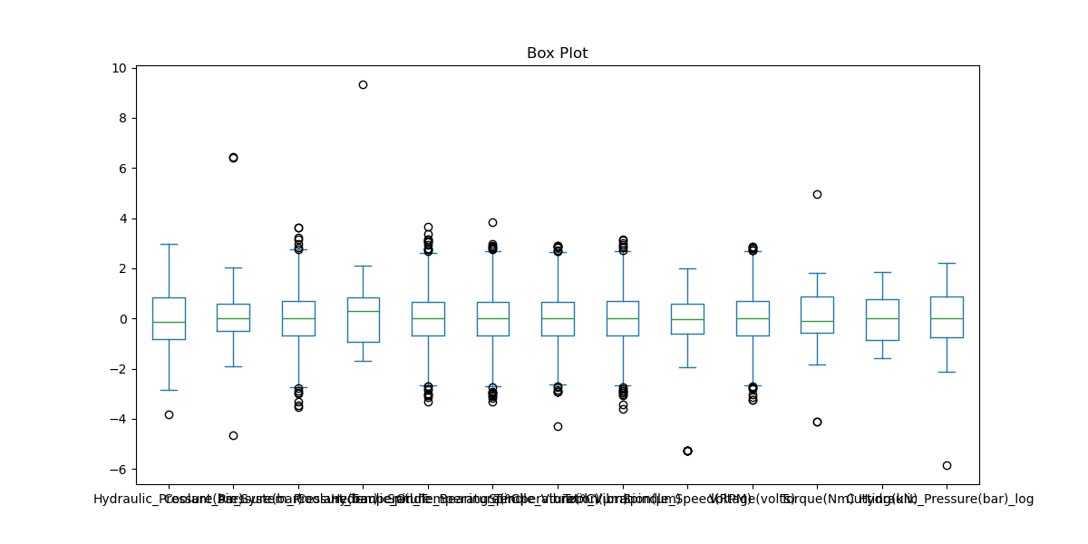
Map Before cleaning after cleaning is in ipynb file

